Sheet1
 |  | Document No. | Issue No. | Issue Date |  | Review and Replace Date |  | Authorised By
 |  | GFF057MC | 3 | 08.04.2022 |  | 17.12.2024
 |  | Document Title | GC- 20 Vegetable Spring Roll | 1700G - High Risk
 |  |  |  |  |  |  |  | Magda Shah
Document amendments reason for change |  | Tray and Film Changed | Page 1 of 1 |  | Previous Issue Date |  | 27.10.2022 | Uncontrolled copy unless signed original

CVSRL-B20T | Gazebo (BULK-SNACKS) |  | GC- 20 Vegetable Spring Roll | 1700G
STEP 1 |  |  |  |  | STEP 2
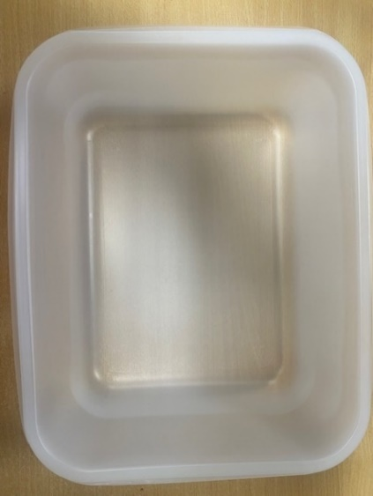

Tray: 554 natural-(PKPRO001-19) |  |  |  |  | Vegetable Spring Roll Large (GFF114R) : 85g 20 Pieces (1700g)
Film: S340AF 340mmX510mm AF&HB Weld-(PKPRO001-17)
STEP 3
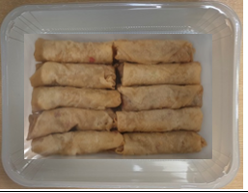

TOTAL WEIGHT: 1700G

ALLERGY ALERT: Wheat, Soya

